Login page
TC ID | Module | Test scenario | Test description | Pre-conditioms | Test steps | Test Data | Expected result | Actual Result | Status | Remark | Screenshot
TC_001 | Login | Valid login | Verify that user can login with valid login credentials | App is accessible | 1. Navigate to https://adactinhotelapp.com 2. Enter username 3. Enter password 4. Click Login | Username : PavithraRamesh Password: Hotel@123 | User is successfully logged in and redirected to Search Hotel page | User is successfully logged in and redirected to Search Hotel page | Pass | Logged in as expected
TC_002 | Login | Invalid username and valid pass word | Verify that user cannot login with invalid username and valid password credentials | App is accessible | 1. Navigate to https://adactinhotelapp.com 2. Enter username 3. Enter password 4. Click Login | Username : Pavithra Password: Hotel@123 | User is not successful at login | Invalid Login details or Your Password might have expired. Click here to reset your password | Pass | Login unsuccessful as expected
TC_003 | Login | Valid Username and invalid password | Verify that user cannot login with valid username and invalid password credentials | App is accessible | 1. Navigate to https://adactinhotelapp.com 2. Enter username 3. Enter password 4. Click Login | Username : PavithraRamesh Password: Hotel@111 | User not successfull at login | Invalid Login details or Your Password might have expired. Click here to reset your password | Pass | Login unsuccessful as expected
TC_004 | Login | Blank space in username and password tab | Verify that user cannot login with blank username and blank password credentials | App is accessible | 1. Navigate to https://adactinhotelapp.com 2. Enter username 3. Enter password 4. Click Login | Username : Password: | Should display "enter username" message | Enter Username | Pass | Login unsuccessful as expected
TC_005 | Password validation | Password in incorrect case | Verify that the login functionality is case-sensitive in password field | App is accessible | 1. Navigate to https://adactinhotelapp.com 2. Enter username 3. Enter password 4. Click Login | Username : PavithraRamesh Password: hotel@123 | User should not be able to Login succesfully | Pops up error message: Invalid Login details or Your Password might have expired. Click here to reset your password | Pass | Login unsuccessful as expected
TC_006 | Login | Username in incorrect case | Verify that the login functionality is case-sensitive in Username field | App is accessible | 1. Navigate to https://adactinhotelapp.com 2. Enter username 3. Enter password 4. Click Login | Username : pavithraramesh Password: Hotel@123 | User should not be able to Login succesfully | User is successfully logged in and redirected to Search Hotel page without popping error message for username case sensitivity | Fail | Login successful instead of declining access | 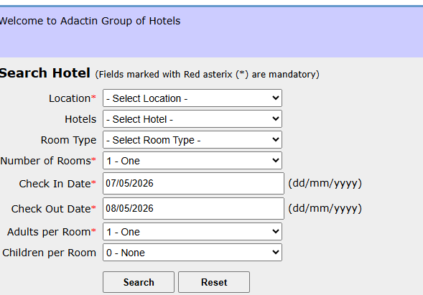
TC_007 | Email validation | Forgot password - email recovery verification( request) | Verify if abele to request for login retrieval | App is accessible | 1. Navigate to https://adactinhotelapp.com 2. Click forgot password | Username : PavithraRamesh | User should request for recovery Email with username and password | User has received Email with message stating "Dear Pavithra Rajalakshmi Ramesh We have received password recovery request from you. Find below your login details for http://adactinhotelapp.com Username: PavithraRamesh Password: 2NNO51 Regards, Adactin Team | Pass | Successful at requesting the recovery email with credentials
TC_008 | Email validation | Forgot password - email recovery verification(reciept) | Verify if email is received for login retrieval | App is accessible | 1. Navigate to https://adactinhotelapp.com 2. Click forgot password | Username : PavithraRamesh | User should receive recovery Email with username and password | User has received Email with message stating "Dear Pavithra Rajalakshmi Ramesh We have received password recovery request from you. Find below your login details for http://adactinhotelapp.com Username: PavithraRamesh Password: 2NNO51 Regards, Adactin Team | Pass | Successful at receiving the recovery email with credentials
TC_009 | Change password | Change password to check password visibility toggle | Verify that the eye icon is working in change password page | App is accessible | 1. Navigate to https://adactinhotelapp.com 2. Click chnage password 3. Enter the password in all three tabs | Current password : Hotelapp@1 New Password: Home@123 Confirm Password: Home@123 | User should be able to enter password and view the password with eye symbol | Eye icon is not present in the page | Fail | Field does not reveal the data as there is no eye icon to view the hidden password | 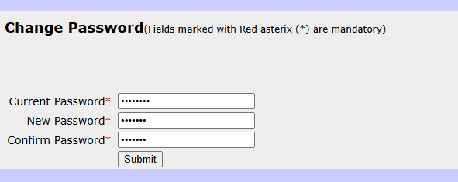
TC_010 | Browser navigation | Check browser back button for resubmission error | Verify that the browser back button works correctly without showimg form resubmission error | User must be logged in and in search hotel page before clicking back button | 1. Navigate to https://adactinhotelapp.com 2. Click browser back button from search hotel page | Username : PavithraRamesh Password: Hotel@123 | User should be able to reach the previous page upon pressing the back browser button | Confirm Form Resubmission This webpage requires data that you entered earlier in order to be properly displayed. You can send this data again, but by doing so you will repeat any action this page previously performed. Press the reload button to resubmit the data needed to load the page. ERR_CACHE_MISS | Fail | Fails to land on the previous page and shows form resubmission error | 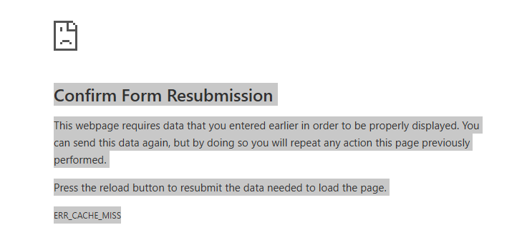
TC_011 | Session management | Login to the browser and stay idle to verify session time out happens | Verify that session time out occurs after defined idle time(30 minutes) | App is accessible | 1. Navigate to https://adactinhotelapp.com 2. Enter username 3. Enter password 4. Click Login 5.Do not perform any action/ stay idle for a long time 6. After time out period try to perform any action / refresh | Username : PavithraRamesh Password: Hotel@123 | User should be automatically logged out after 30 minutes Application should redirect to login page Message should be "session expired, please login again" | No message displayed; page automatically redirects to the login screen | Fail | Session time out happens, but no error message to the user | 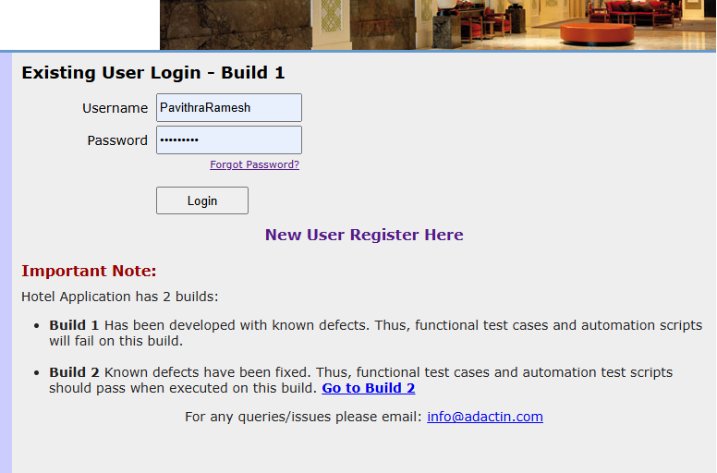
TC_012 | Session Management | Logout Button Functional Verification | Verify that clicking the 'Logout' button terminates the session and displays the logout confirmation page. | App is accessible | 1. Click the 'Logout' button. 2. Observe the resulting page and message. | No data used . Just logout button pressed | The system should redirect to a logout page with the message "You have successfully logged out" and provide a login link. | The message "You have successfully logged out" is displayed as seen in the image. | Pass | Redirection and success message are working as intended.

Search hotel
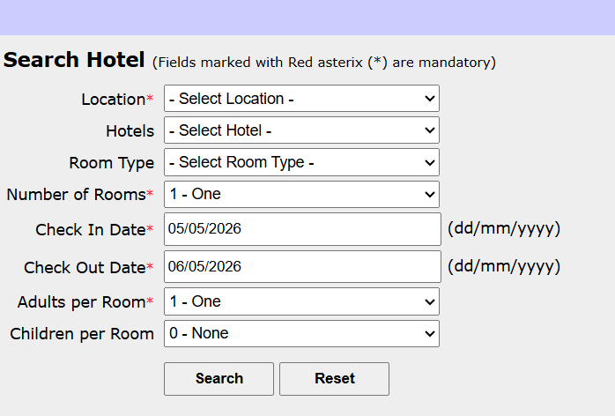
TC ID | Module | Test scenario | Test description | Pre-conditions | Test steps | Test Data | Expected result | Actual Result | Status | Remarks | Screenshot
TC_001 | Search hotel | Hotel and room details entered | To verify whether the hotel details and room details appear as per selection. | App in accessible | 1. In the search hotel page enter all the deatils like check in date, check out date,loaction, hotel name ,adults and children per room 2. Click search | Location : Sydney Hotels: hotel creek Room type:Standard Number of rooms: 1 Room type: single adults in room:2 Children in room :1 Checkin date: 5/5/2026 Checkout date: 6/5/2026 | Successfully goes to the next page where the details are verified and select radio button appears with the correct options chosen in previous page along with cost and GST | All selected details and Price per Night: AUD $ 125 Total Price (excl. GST): AUD $ 135 | Pass | Successful selections with continue button visible
TC_002 | Search hotel | Check-out date a prior date than check-in date | To verify whether the check-out date field does not accept a prior date than check-in date. | App in accessible | 1. In the search hotel page enter all the deatils like check in date check out date,loaction, hotel name ,adults and children per room 2. Click search | Location : Sydney Hotels: hotel creek Room type: Standard Number of rooms: 1 Room type: single adults in room:2 Children in room :1 Checkin date: 5/5/2026 Checkout date: 4/5/2026 | The date is invalid/ checkin date should be prior to the checkout date | Check-In Date shall be before than Check-Out Date Check-Out Date shall be after than Check-In Date | Pass | Selection unsuccessful as expected due to invalid date selections
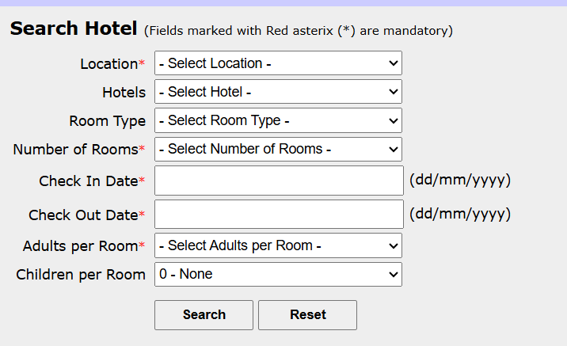
TC_003 | Button | Validating the Reset Button | To validate the Reset button in the search hotel page | App is accessible | 1. In the search hotel page enter all the details check in date, check out date,loaction, hotel name ,adults and children per room 2. Click reset | Location : Sydney Hotels: hotel creek Room type: Standard Number of rooms: 1 Room type: single adults in room:2 Children in room :1 Checkin date: 5/5/2026 Checkout date: 6/5/2026 | Location : Hotels: Room type: Number of rooms: Room type: Number of adults in room: Children in room : Checkin date: Checkout date: | Location : Hotels: Room type: Number of rooms: 1 Room type: adults in room: 1 Children in room :0 Checkin date: 5/5/2026 Checkout date: 6/5/2026 | Fail | Reset button does not fully reset the values. The reset has not worked for the tabs number of rooms, check-in date, check-out date and adults per room.
TC_004 | Field validation | Validating the mandatory field value submission | To validate the Manadatory field value submission in the search hotel page | App is accessible | 1. In the search hotel page enter all the details check in date, check out date,loaction, hotel name ,adults and children per room and exclude number of rooms field( leaving it blank) 2. Click search | Location : Sydney Hotels: hotel creek Room type: Standard Number of rooms: Room type: single adults in room:2 Children in room :1 Checkin date: 5/5/2026 Checkout date: 6/5/2026 | Location : Sydney Hotels: hotel creek Room type: Standard Number of rooms*: Please select number of rooms Room type: single adults in room:2 Children in room :1 Checkin date: 5/5/2026 Checkout date: 6/5/2026 | Location : Sydney Hotels: hotel creek Room type: Standard Number of rooms*: Please select the number of rooms Room type: single adults in room:2 Children in room :1 Checkin date: 5/5/2026 Checkout date: 6/5/2026 | Pass | Application works as expected/ the mandatory field expectation meets
TC_005 | Hotel Selection / Pricing Logic | Ensure the total price matches (Price per Night × No. of Days) before tax is applied | To verify "Total Price (excl. GST)" calculation for a single-night stay | App is accessible | 1. Observe the "Price per Night" for any hotel (e.g., Hotel Cornice = $100). 2. Check the "No. of Days" (1 Day). 3. Review the "Total Price (excl. GST)" value. | Hotel: Hotel Cornice; Nightly Rate: $110; Days: 1 | Total Price (excl. GST) should be $100 ($100 × 1) | Total Price (excl. GST) displays as $110 | Fail | There is an unexplained $10 discrepancy in the total calculation in search results. This will confuse customers and lead to billing disputes.
TC_006 | Hotel Selection Page | Ensure the system prevents the user from proceeding if no hotel (radio button) is selected | To verify mandatory field validation for Hotel Selection | App is accessible | 1. Do not click any radio button in the 'Select' column. 2. Click the 'Continue' button. 3. Observe the page for error messages. | Input: Null / No Selection | System should stay on the same page and display an error message: "Please Select a Hotel" | System displayed the red error message "Please Select a Hotel" and blocked navigation | Pass | The validation is working as expected.

Booking page
TC ID | Module | Test scenario | Test description | Pre-conditions | Test steps | Test Data | Expected result | Actual Result | Status | Remarks | Screenshot
TC_001 | Data consistency | Validating the data consistancy throughout booking(last name) | To validate if the data is consistently transferred from one page to the other without loss | App is accessible | 1. In the book hotel page enter all the details 2. Click book now | Hotel Name: Hotel Creek Location :Sydney Room Type: Standard Number of Rooms: 1 Room(s) Total Days: 1 Day(s) Price per Night: AUD $ 125 Total Price: AUD $ 135 GST: AUD $ 13.5 Final Billed Price: AUD $ 148.5 First Name* pavithra Last Name* ramesh Billing Address* 333/22 epping 2121 Credit Card No.*1234567890987654 Credit Card Type* VISA Expiry Date* August 2028 CVV Number*123 | Hotel Name: Hotel Creek Location :Sydney Room Type: Standard Arrival date: 05/05/2026 Depature date: 06/05/2026 Number of Rooms: 1 Room(s) Adults Per room: 1 adult Children per room: 0 children Price per Night: AUD $ 125 Total Price: AUD $ 135 GST: AUD $ 13.5 Final Billed Price: AUD $ 148.5 First Name* pavithra Last Name* ramesh Billing Address* 333/22 epping 2121 Order number: PP240Q0MWB | Hotel Name: Hotel Creek Location :Sydney Room Type: Deluxe Arrival date: 05/05/2026 Depature date: 06/05/2026 Number of Rooms: 1 Room(s) Adults Per room: 1 adult Children per room: 0 children Price per Night: AUD $ 125 Total Price: AUD $ 135 GST: AUD $ 13.5 Final Billed Price: AUD $ 148.5 First Name* pavithra Last Name: Billing Address* 333/22 epping 2121 Order number: PP240Q0MWB | Fail | Error:Last name is missing | 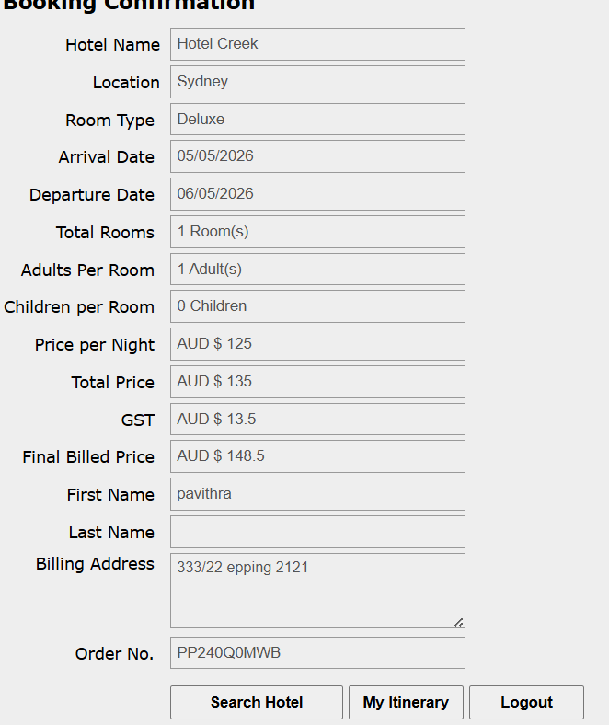
TC_002 | Data consistency | Validating the data consistancy throughout booking(room type) | To validate if the data is consistently transferred from one page to the other without loss | App is accessible | 1. In the book hotel page enter all the details 2. Click book now | Hotel Name: Hotel Creek Location :Sydney Room Type: Standard Number of Rooms: 1 Room(s) Total Days: 1 Day(s) Price per Night: AUD $ 125 Total Price: AUD $ 135 GST: AUD $ 13.5 Final Billed Price: AUD $ 148.5 First Name* pavithra Last Name* ramesh Billing Address* 333/22 epping 2121 Credit Card No.*1234567890987654 Credit Card Type* VISA Expiry Date* August 2028 CVV Number*123 | Hotel Name: Hotel Creek Location :Sydney Room Type: Standard Arrival date: 05/05/2026 Depature date: 06/05/2026 Number of Rooms: 1 Room(s) Adults Per room: 1 adult Children per room: 0 children Price per Night: AUD $ 125 Total Price: AUD $ 135 GST: AUD $ 13.5 Final Billed Price: AUD $ 148.5 First Name* pavithra Last Name* ramesh Billing Address* 333/22 epping 2121 Order number: PP240Q0MWB | Hotel Name: Hotel Creek Location :Sydney Room Type: Deluxe Arrival date: 05/05/2026 Depature date: 06/05/2026 Number of Rooms: 1 Room(s) Adults Per room: 1 adult Children per room: 0 children Price per Night: AUD $ 125 Total Price: AUD $ 135 GST: AUD $ 13.5 Final Billed Price: AUD $ 148.5 First Name* pavithra Last Name: Billing Address* 333/22 epping 2121 Order number: PP240Q0MWB | Fail | Error: room has been changed to Deluxe
TC_003 | Booking cancellation | Validating if booking is cancelled as per request | To validate if booking is cancelled as per request from user | App is accessible | 1. In the booked itenary page select the order ID to be cancelled 2. Click cancel selected 3. Click OK in the are you sure Pop up | Select Order ID D07151ZESE | Selected Order ID D07151ZESE should be removed from the booked itinary page | Order ID D07151ZESE has been cancelled and does not appear in the page anymore with meesage:"The booking has been cancelled" | Pass | Order ID successfully removed/ cancelled from list
TC_004 | Payment Gateway | Ensure the system rejects CVV inputs that do not meet the standard 3 or 4-digit requirement | To verify CVV field length validation | App is accessible | 1. Navigate to the Payment/Checkout page 2. Select payment method 3. Enter a valid card number and future expiry date 4. Enter a 1-digit CVV number 5. Click the "Book Now" or "Pay" button | Card: Visa (Valid); Expiry: 12/2028; CVV: 5 | System should display a validation error message "Invalid CVV length" and block the booking | Booking was successfully completed | Fail | Validation failure as it processed payment with invalid CVV | 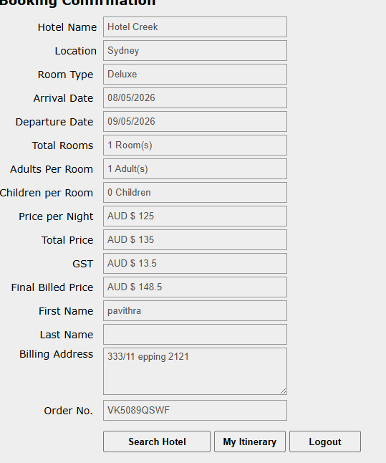
TC_005 | Payment Gateway | Verify system behavior with an expired credit card | To ensure the system prevents transactions where the card expiry date is in the past | App is accessible | 1. Enter a valid card number. 2. Select an expiry year from the past as 2023. 3. Enter a valid 3-digit CVV. 4. Submit the booking. | Card: Mastercard; Expiry: 05/2023; CVV: 123 | Transaction is declined with an error message: "Card has expired" | Payment Successful | Fail | The system is failing to validate the card's validity period.
TC_006 | Booking / Database validation | Ensure using special characters in any data tab causes error | To verify system handles special characters | App is accessible | 1. Fill in all valid booking details. 2. In the First Name/Last Name fields, enter special characters ( ';., ';'). 3. Click the "Book" button. | First Name: ';. ; Last Name: ';' | The system should either accept the name as a string or show a validation error. It should never display a raw error or give transperant query error in coding format | System displays raw SQL error in the UI | Fail | System fails to show validation and reveals that there is error in your SQL syntax query in a raw format
TC_007 | Booking Confirmation / Pricing | Ensure the system blocks same-day checkout and prevents incorrect price calculations | To verify system behavior and pricing for same-day Arrival and Departure dates | App is accessible | 1. Enter same date for Arrival and Departure (08/05/2026). 2. Proceed through Select Hotel to the Booking Confirmation page. 3. Review the 'Total Price' and 'Final Billed Price' fields. | Price per Night: $125; Arrival: 08/05/26; Departure: 08/05/26 | System should block the search initially with an error: "Check-In Date shall be before Check-Out Date." | Booking confirmed for 0 days. Final Price as $11 (ignoring the $125 nightly rate). Hotel Name Hotel Creek Location Sydney Room Type Deluxe Arrival Date 08/05/2026 Departure Date 08/05/2026 Total Rooms 1 Room(s) Adults Per Room 1 Adult(s) Children per Room 0 Children Price per Night AUD $ 125 Total Price AUD $ 10 GST AUD $ 1 Final Billed Price AUD $ 11 First Name pavithra Last Name Billing Address 333/11 epping 2121 Order No.W608267U4F | Fail | The system allows heavily discounted stays by failing date validation and fails correct pricing. | 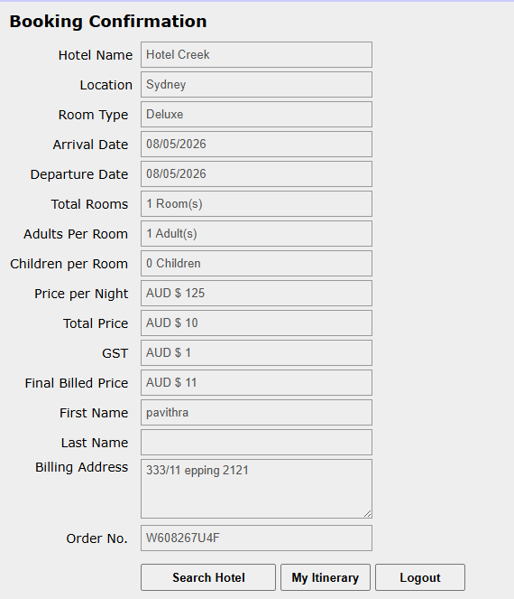
TC_008 | Booking Management | Past Date Validation | Verify that the system prevents users from booking a stay for dates that have already passed. | User must be in search hotel page with hotel already selected | 1. Select a hotel. 2. Enter an Arrival Date in the past. 3. Enter a Departure Date in the past. 4. Complete remaining fields. 5. Click 'Search' or 'Confirm'. | Arrival: 01/05/2026 Departure:05/05/2026 (current date is May 8, 2026) | The system should display a validation error: "Dates cannot be in the past" and prevent submission. | The system accepted the past dates and generated a "Booking Confirmation" page. Booking Confirmation Hotel Name Hotel Creek Location Paris Room Type Deluxe Arrival Date 01/05/2026 Departure Date 05/05/2026 Total Rooms 1 Room(s) Adults Per Room 1 Adult(s) Children per Room 0 Children Price per Night AUD $ 125 Total Price AUD $ 510 GST AUD $ 51 Final Billed Price AUD $ 561 First Name pavithra Last Name Billing Address 33/11 epping 2121 Order No.F2U361YKYU | Fail | System fails to validate dates and allows for logically impossible value | 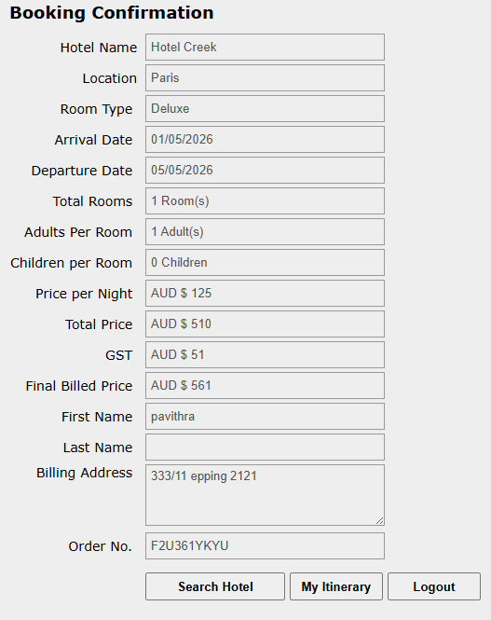
TC_009 | Booking Management | Search to Confirm Data Integrity | Verify that the location displayed on the Booking Confirmation page matches the location selected during the Search phase. | App is accessible | 1. Enter a specific city in the "Location" field of the search form. 2. Select a hotel from the results. 3. Proceed to the confirmation page. 4. Compare the "Location" field on the confirmation to the initial search term | Search Location: Paris | The "Location" field on the Booking Confirmation should display Paris. | Location on confirmation matches the search input Booking Confirmation Hotel Name Hotel Creek Location Paris Order No.F2U361YKYU | Pass | Visual check confirms the value "Paris" was successfully carried over to the final screen.
TC_010 | Booking | Room Type Display | Verify that the selected Room Type is consistent across all pages. | App is accessible | 1. Select 'Super Deluxe' for Hotel Creek. 2. Proceed to 'Booking Confirmation'. 3. Check 'Booked Itinerary'. | Hotel: Creek, Room: Super Deluxe | Both pages booking and itinerary must display 'Super Deluxe'. | Confirmation page shows 'Standard', but Itinerary shows 'Super Deluxe'. | Fail | Data mismatch between confirmation and itinerary modules.

